Pivot Table
REVENUE PER YEAR |  | REVENUE PER MONTH |  | REVENUE PER STATE |  |  |  | REVENUE PER STORE |  | REVENUE PER BRAND |  | REVENUE PER PRODUCT CATEGORY |  | TOP 10 CUSTOMERS |  | REVENUE PER SALES REP

Row Labels | Sum of revenue | Row Labels | Sum of revenue | Row Labels | Sum of revenue | Row Labels | Sum of revenue | Row Labels | Sum of revenue | Row Labels | Sum of revenue | Row Labels | Sum of revenue | Row Labels | Sum of revenue | Row Labels | Sum of revenue
2016 | 2709484.47 | 2016 | 2709484.47 | CA | 1790145.91 | CA | 1790145.91 | Baldwin Bikes | 5826242.21 | Strider | 4849.75 | Children Bicycles | 327888.21 | Shena Carter | 27618.95 | Layla Terrell | 445905.59
2017 | 3845515.02 | Jan | 241184.15 | NY | 5826242.21 | NY | 5826242.21 | Rowlett Bikes | 962600.76 | Ritchey | 88498.82 | Comfort Bicycles | 438506.87 | Corrina Sawyer | 29214.89 | Kali Vargas | 516695.17
2018 | 2023989.39 | Feb | 175768.1 | TX | 962600.76 | TX | 962600.76 | Santa Cruz Bikes | 1790145.91 | Pure Cycles | 166164 | Cyclocross Bicycles | 799874.6 | Elinore Aguilar | 29661.83 | Mireya Copeland | 837423.65
Grand Total | 8578988.88 | Mar | 202157.14 | Grand Total | 8578988.88 |  |  | Grand Total | 8578988.88 | Heller | 193798.71 | Electric Bikes | 1020236.85 | Debra Burks | 30645.87 | Genna Serrano | 952722.26
Revenue per Store
 |  | Apr | 187223.55 |  |  |  |  |  |  | Haro | 207096.69 | Cruisers Bicycles | 1109151.04 | Melanie Hayes | 34390.88 | Venita Daniel | 2887353.48
 |  | May | 228701.13 |  |  |  |  |  |  | Sun Bicycles | 381919.69 | Road Bikes | 1852555.6 | Emmitt Sanchez | 34503.82 | Marcelene Boyer | 2938888.73
 |  | Jun | 231120.29 |  |  |  |  |  |  | Surly | 1063135.82 | Mountain Bikes | 3030775.71 | Lyndsey Bean | 35857.86 | Grand Total | 8578988.88
 |  | Jul | 222854.21 |  |  |  |  |  |  | Electra | 1344143.79 | Grand Total | 8578988.88 | Sharyn Hopkins | 37138.86
Total Revenue
 |  | Aug | 253130.83 |  |  |  |  |  |  | Trek | 5129381.61 |  |  | Abby Gamble | 37500.89
 |  | Sep | 303282.61 |  |  |  |  |  |  | Grand Total | 8578988.88 |  |  | Pamelia Newman | 37801.84
 |  | Oct | 235051.79 |  |  |  |  |  |  |  |  |  |  | Grand Total | 334335.69
 |  | Nov | 205315.47
Revenue Per Brand
Revenue Per Sales Rep.
 |  | Dec | 223695.2
Revenue Per Product Category
 | Total
Children Bicycles | 327888.21
Comfort Bicycles | 438506.87
Cyclocross Bicycles | 799874.6
Electric Bikes | 1020236.85
Cruisers Bicycles | 1109151.04
Road Bikes | 1852555.6
Mountain Bikes | 3030775.71
Top 10 Customers
 |  | 2017 | 3845515.02
 |  | Jan | 316954.77
 |  | Feb | 348740.47
 |  | Mar | 348177.13
 |  | Apr | 254105.57
 |  | May | 297754.66
 |  | Jun | 419892.07
 |  | Jul | 255727.63
 |  | Aug | 322553.32
 |  | Sep | 329388.68
 |  | Oct | 345316.18
 |  | Nov | 315881.67
 |  | Dec | 291022.87
 |  | 2018 | 2023989.39
 |  | Jan | 426301.72
 |  | Feb | 223941.44
 |  | Mar | 406701.2
 |  | Apr | 909179.47
 |  | Jun | 209.99
 |  | Jul | 12949.89
 |  | Aug | 10256.91
 |  | Sep | 9949.96
 |  | Oct | 4219.92
 |  | Nov | 12278.93
 |  | Dec | 7999.96
 |  | Grand Total | 8578988.88

Revenue per Month

DashBoard
EXECUTIVE DASHBOARD

Total Revenue
 | Total
2016 | 2709484.47
2017 | 3845515.02
2018 | 2023989.39
Revenue per Month
 | 2016 | 2017 | 2018
Jan | 241184.15 | 316954.77 | 426301.72
Feb | 175768.1 | 348740.47 | 223941.44
Mar | 202157.14 | 348177.13 | 406701.2
Apr | 187223.55 | 254105.57 | 909179.47
Jun | 228701.13 | 297754.66 | 209.99
Jul | 231120.29 | 419892.07 | 12949.89
Aug | 222854.21 | 255727.63 | 10256.91
Sep | 253130.83 | 322553.32 | 9949.96
Oct | 303282.61 | 329388.68 | 4219.92
Nov | 235051.79 | 345316.18 | 12278.93
Dec | 205315.47 | 315881.67 | 7999.96
 | 223695.2 | 291022.87

Revenue per Store
 | Total
Baldwin Bikes | 5826242.21
Rowlett Bikes | 962600.76
Santa Cruz Bikes | 1790145.91
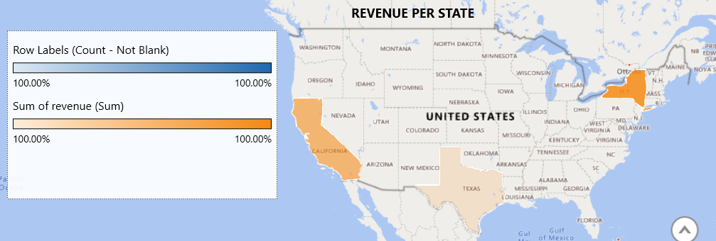

Revenue Per Brand
 | Total
Strider | 4849.75
Ritchey | 88498.82
Pure Cycles | 166164
Heller | 193798.71
Haro | 207096.69
Sun Bicycles | 381919.69
Surly | 1063135.82
Electra | 1344143.79
Trek | 5129381.61
Revenue Per Product Category
 | Total
Children Bicycles | 327888.21
Comfort Bicycles | 438506.87
Cyclocross Bicycles | 799874.6
Electric Bikes | 1020236.85
Cruisers Bicycles | 1109151.04
Road Bikes | 1852555.6
Mountain Bikes | 3030775.71

Top 10 Customers
 | Total
Shena Carter | 27618.95
Corrina Sawyer | 29214.89
Elinore Aguilar | 29661.83
Debra Burks | 30645.87
Melanie Hayes | 34390.88
Emmitt Sanchez | 34503.82
Lyndsey Bean | 35857.86
Sharyn Hopkins | 37138.86
Abby Gamble | 37500.89
Pamelia Newman | 37801.84
Revenue Per Sales Rep.
 | Total
Layla Terrell | 445905.59
Kali Vargas | 516695.17
Mireya Copeland | 837423.65
Genna Serrano | 952722.26
Venita Daniel | 2887353.48
Marcelene Boyer | 2938888.73

